distribution chart
% of Women having X # of children
% of Women having X # of children
 | 2022 | 2039 assumptions | 2039 assumptions with subsidy
None | 16.5 | 25.0 | 25.0 | 0
One | 19.3 | 17.3 | 17.3 | 1
Two | 35.7 | 32.1 | 16.03 | 2
Three | 17.3 | 15.5 | 23.80 | 3
Four | 6.8 | 6.1 | 10.82 | 4
Five or more | 4.4 | 4.0 | 5.03 | 5.5
 |  |  | 2 | 6.5
 | 1.94 | 1.74 | 2.05

tax bills by percentile
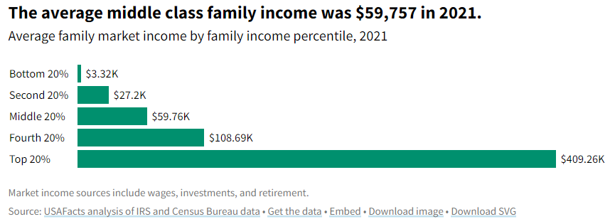
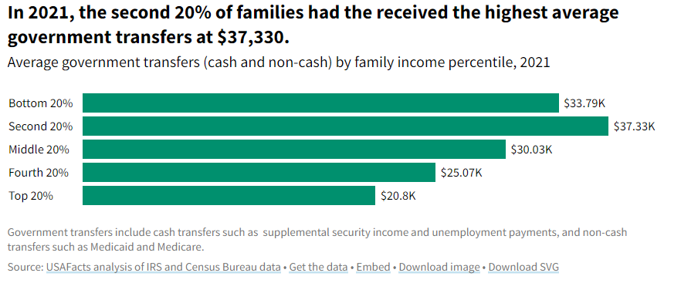
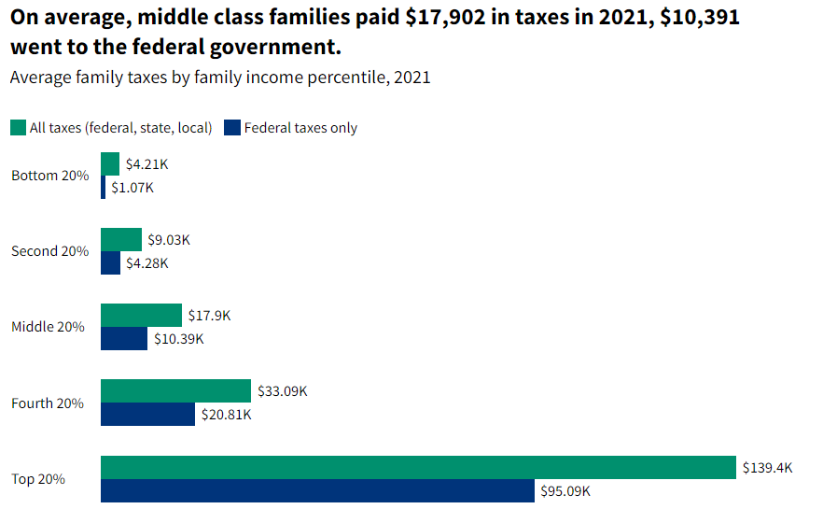
https://usafacts.org/articles/average-taxes-paid-income-payroll-government-transfers-2018/#:~:text=In%202021%2C%20the%20average%20American,went%20to%20federal%20income%20tax. | Federal | All
0-20% | 1.07 | 4.21 |  | 0.214
20-40% | 4.28 | 9.03 |  | 0.856
40-60% | 10.39 | 17.9 |  | 2.078
60-80% | 20.81 | 33.09 |  | 4.162
80-100% | 95.09 | 139.4 |  | 19.018

avg. gross tax bill |  |  |  | 26.328
 |  |  |  | 0.72234883014

National debt | 100000000000000
population | 322000000
Avg debt | 310559.00621 |  | num yrs tax | 21.446852726

top 20% pay 72% | 7.2234883014E+13
top 20% pop | 64400000
Avg debt top 20% | $1,121,659.67

